Project Overview
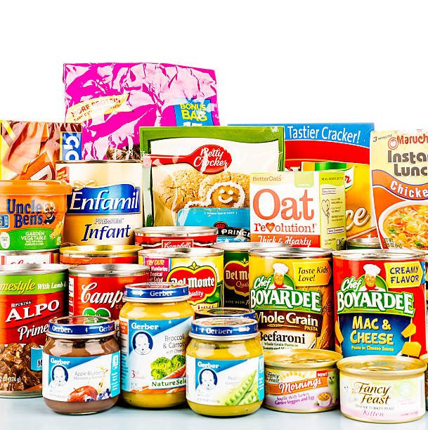

Monetizing ROSI™ Benefits from increasing the recyclable content in packaging - a project implemented by a Private Label Food & Beverage Company

Project Description | 2022-02-01
The purpose of this model is to show the tangible and intangible benefits of increasing recyclable content in food packaging material. The model was developed for one of CSB's Research partner, a private label processed food producer and distributor operating primarily in the B2B category in Europe. In this specific project, the Research Partner or RP is responsible for packing its European client's food product and delivering it to the point of sale while complying with EU standards on food preservation and quality, allowable packaging material usage and end of life considerations (laws to become applicable in the future). Through early innovation in packaging design, the RP created business growth opportunities while potentially reducing risk for itself and its clients. The monetization methodology is based on NYU Stern CSB's ROSI framework process explained in the following tab. For our analysis we interviewed key stakeholders from the Research partner,reviewed research literature, and developed a model to monetize the specific benefits. The model is intended to show how ROSI is applied in a specific context and how related benefits are calculated. We hope that users will adopt this comprehensive approach that goes beyond the traditional way of calculating Return on Investment in evaluating the return on their organization's sustainability initiatives. We also hope that they will use this aproach to make the business case to sustain and grow investments in sustainability in their respective organizations. NYU Stern CSB does not provide any type of guarantees of the results and this tool is meant for informational purposes only.

Acknowledgment: This model was developed by Associate Research Scholar Divya Chandra, and reviewed by Senior Research Lead Chisara Ehiemere, of the NYU Stern Center for Sustainable Business. Funding for its development was provided by one of CSB's Research Partner. This model was developed as the basis for a practical guide to institutions and is not intended to serve as an endorsement, source of primary data, or illustration of either effective or ineffective management. For questions or other research related information, please contact Chisara Ehiemere at ce2198@stern.nyu.edu or Divya Chandra at dc4718@stern.nyu.edu
Copyright © 2024 NYU Stern Center for Sustainable Business. All rights reserved.
Image source:https://www.istockphoto.com/photos/packaged-food

ROSI Framework
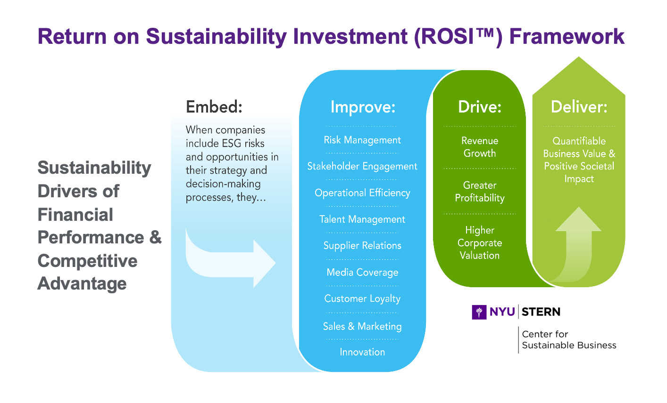
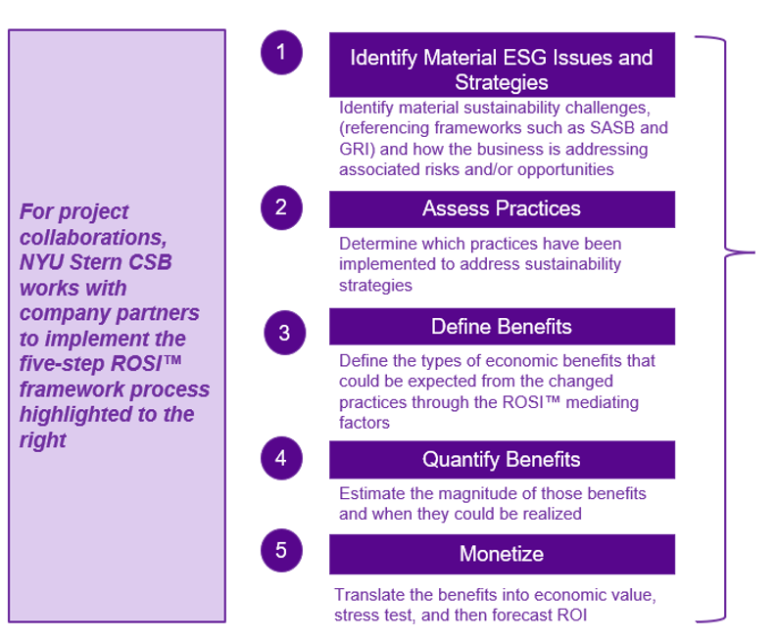
The ROSI™ Process

